Bug Report
Defect Report |  | Defect Report |  | Defect Report |  | Defect Report

Release | V.1.0 | Release | V.1.0 | Release | V.1.0 | Release | V.1.0
Title | User is not able to signup if he/she enters a first name with three charachters | Title | The location of the loader in the login page is wrong | Title | No available task message will appear when adding a total of 5 tasks | Title | uncorrect screen view when choose device :iphone XR
Description | It happens in all the browsers and all the screen views, the first name that we used during the testing is RAY | Description | After logging and while waiting the response from the server, the loader will appear in a wrong location, down with alot of margin | Description | In the todo page and when you add 5 todos, the message "No available tasks" will appear | Description | In the todo page and when you choose iphone XR , todo application not work correctly in the screen view.
Steps | 1- Enter a first name with "RAY". 2- Fill a correct last name. 3- Fill a correct email format, and the email should not be registered in the database. 4- Fill a correct password. 5- Fill a correct confirm password. 6- Click on signup button | Steps | 1- Go to login page 2- Fill the email 3- Fill the password 4- Click on login 5- Check the loader | Steps | 1- Go to Todos Page 2- Add 5 tasks | Steps | 1.Go to any pages in todo application such as login page. 2.Right-click on page > Inspect > Click the Toggle Device icon. 3.Select the device you want to simulate from the iOS and Android devices list. 4.Refresh the page to view the mobile screen of the application.
Expected Results | Should be able to signup correctly | Expected Results | The loader should appear correctly in the correct location | Expected Results | Should show the five items added and " No available todos" should not be visible. | Expected Results | todo application should be show with correct dimension in all screens view.
Actual Result | This error message was displayed "First Name is required, and it should be more than 3 characters" | Actual Result | The loader will be displayed in a wrong location | Actual Result | todo page was added a five items, but this message was displayed: "NO avaiable todos" under to pagination. | Actual Result | todo application was not correct dimension on the iphone XR device.
Environment | Chrome V.124 | Environment | Chrome V.124 | Environment | Chrome V.124 | Environment | Chrome V.124
Screenshot / Video | 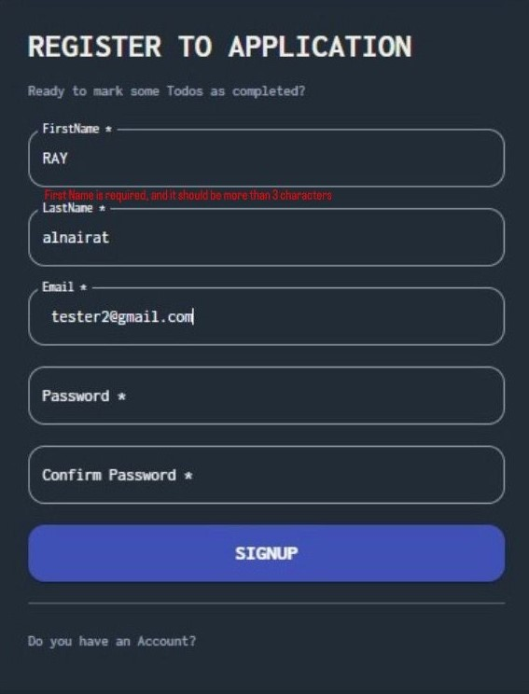 | Screenshot / Video | 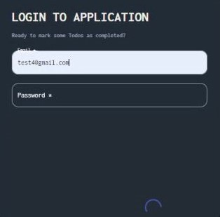 | Screenshot / Video | 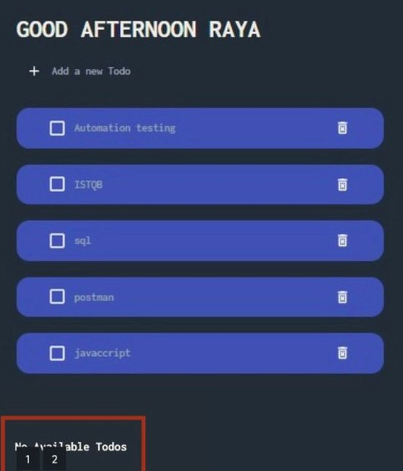 | Screenshot / Video | 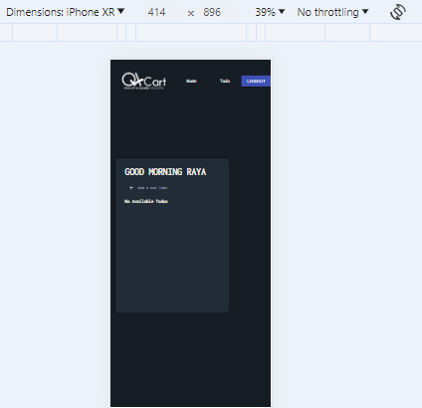
Rate | 2022-05-05 | Rate | 2022-05-05 | Rate | 2022-05-05 | Rate | 2022-05-05
Priority | B | Priority | C | Priority | A | Priority | A
Status | open | Status | open | Status | Open | Status | Open

